Sheet1
Test Summary Report
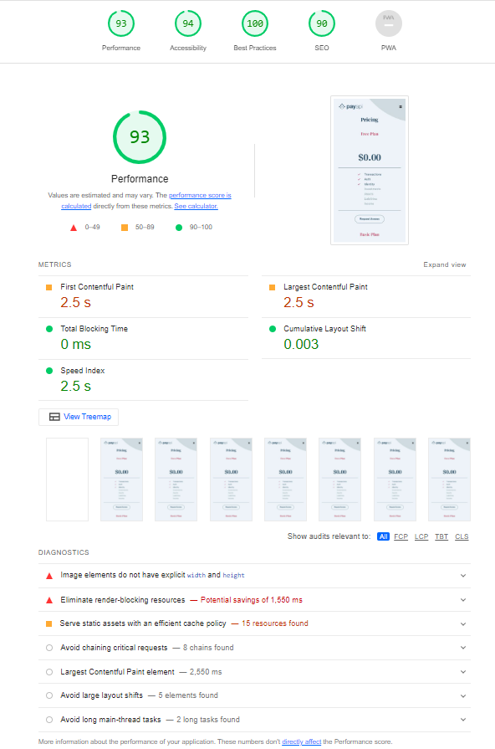
Field | Value
Project Name | Online website payapi
Test Phase | Website Testing
Test Start Date | 2023.11.29
Test End Date | 2012.12.10
Total Test Cases | 56
Passed Test Cases | 40
Failed Test Cases | 16
Test Execution Environment
- Operating System | Windows 10, MacOS
- Browsers | Chrome, Firefox, Safari
- Other Relevant Info | Network conditions: Stable, Light house checked
Summary of Findings
- Total Defects Found | 16- All bugs are closed
- Severity Levels
- High | -
- Medium | -
- Low | 16
Test Summary | All isuese was closed
- Overall Status | Pass
- Comments/Notes | Main bugs was with style/icon size/space gap.All error was low and almost seen.
Test Lead/Manager | Kazimieras
Date of Report | 2023.12.10

Example og BUGs

